Stackup
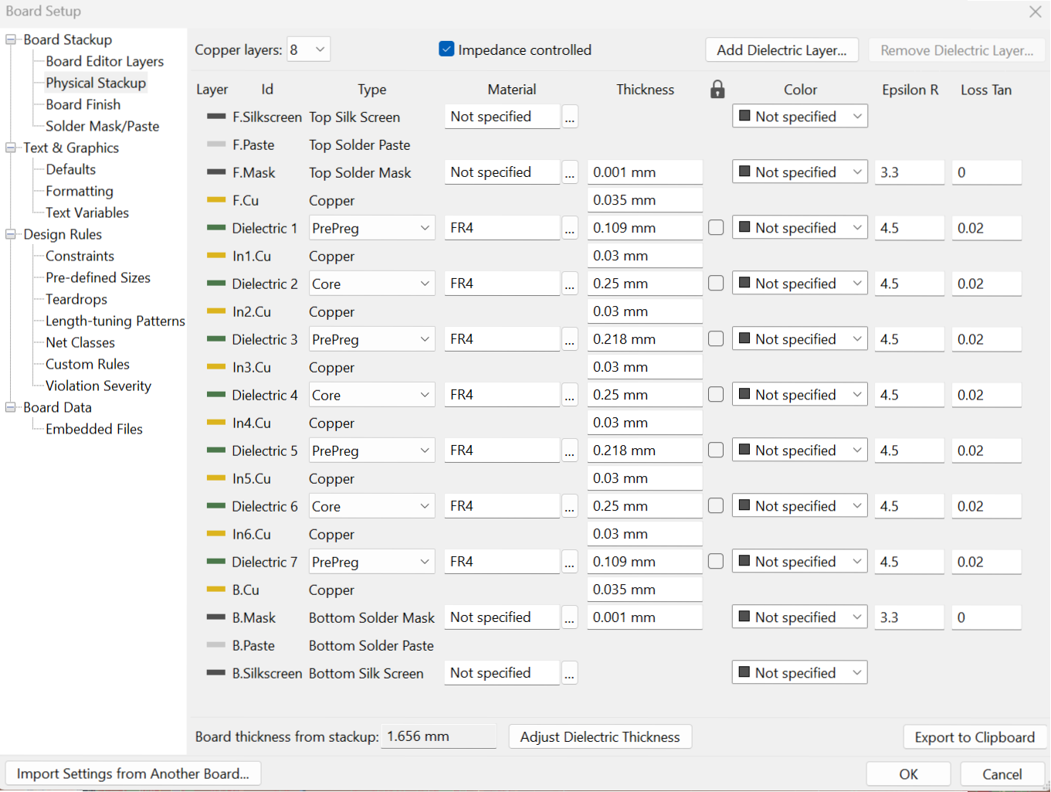

DiffPairs
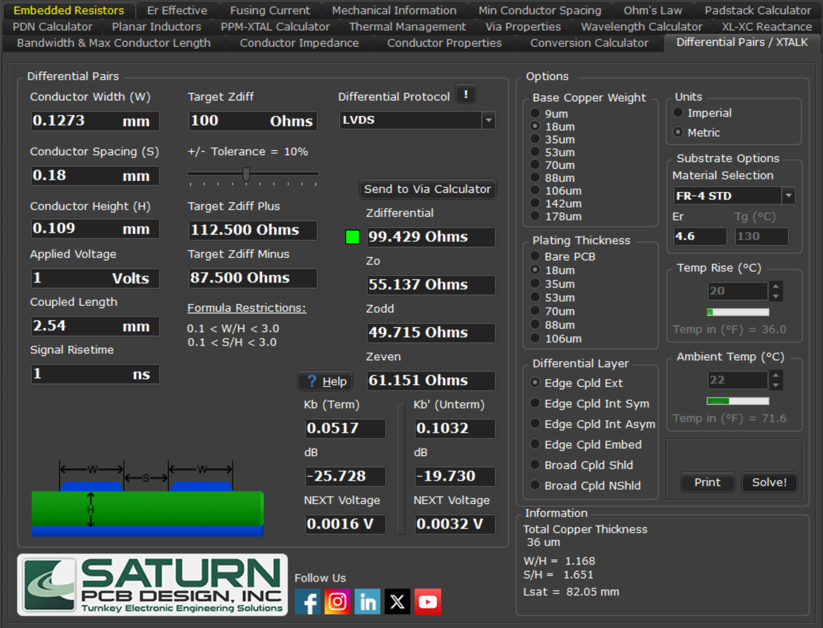
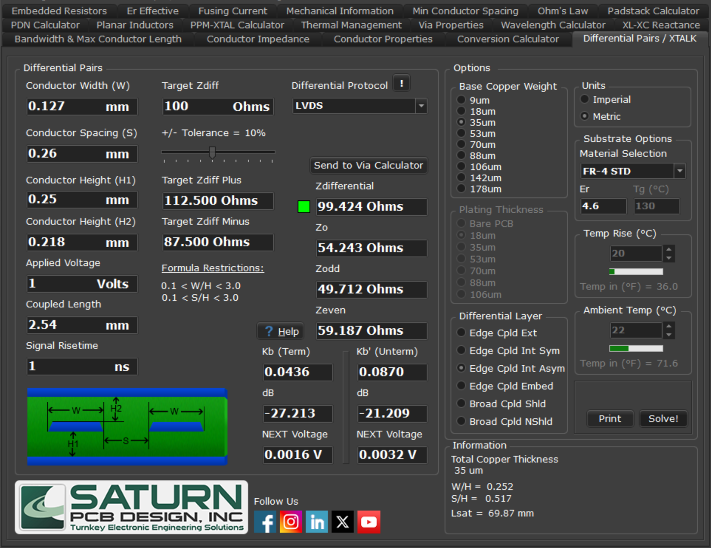
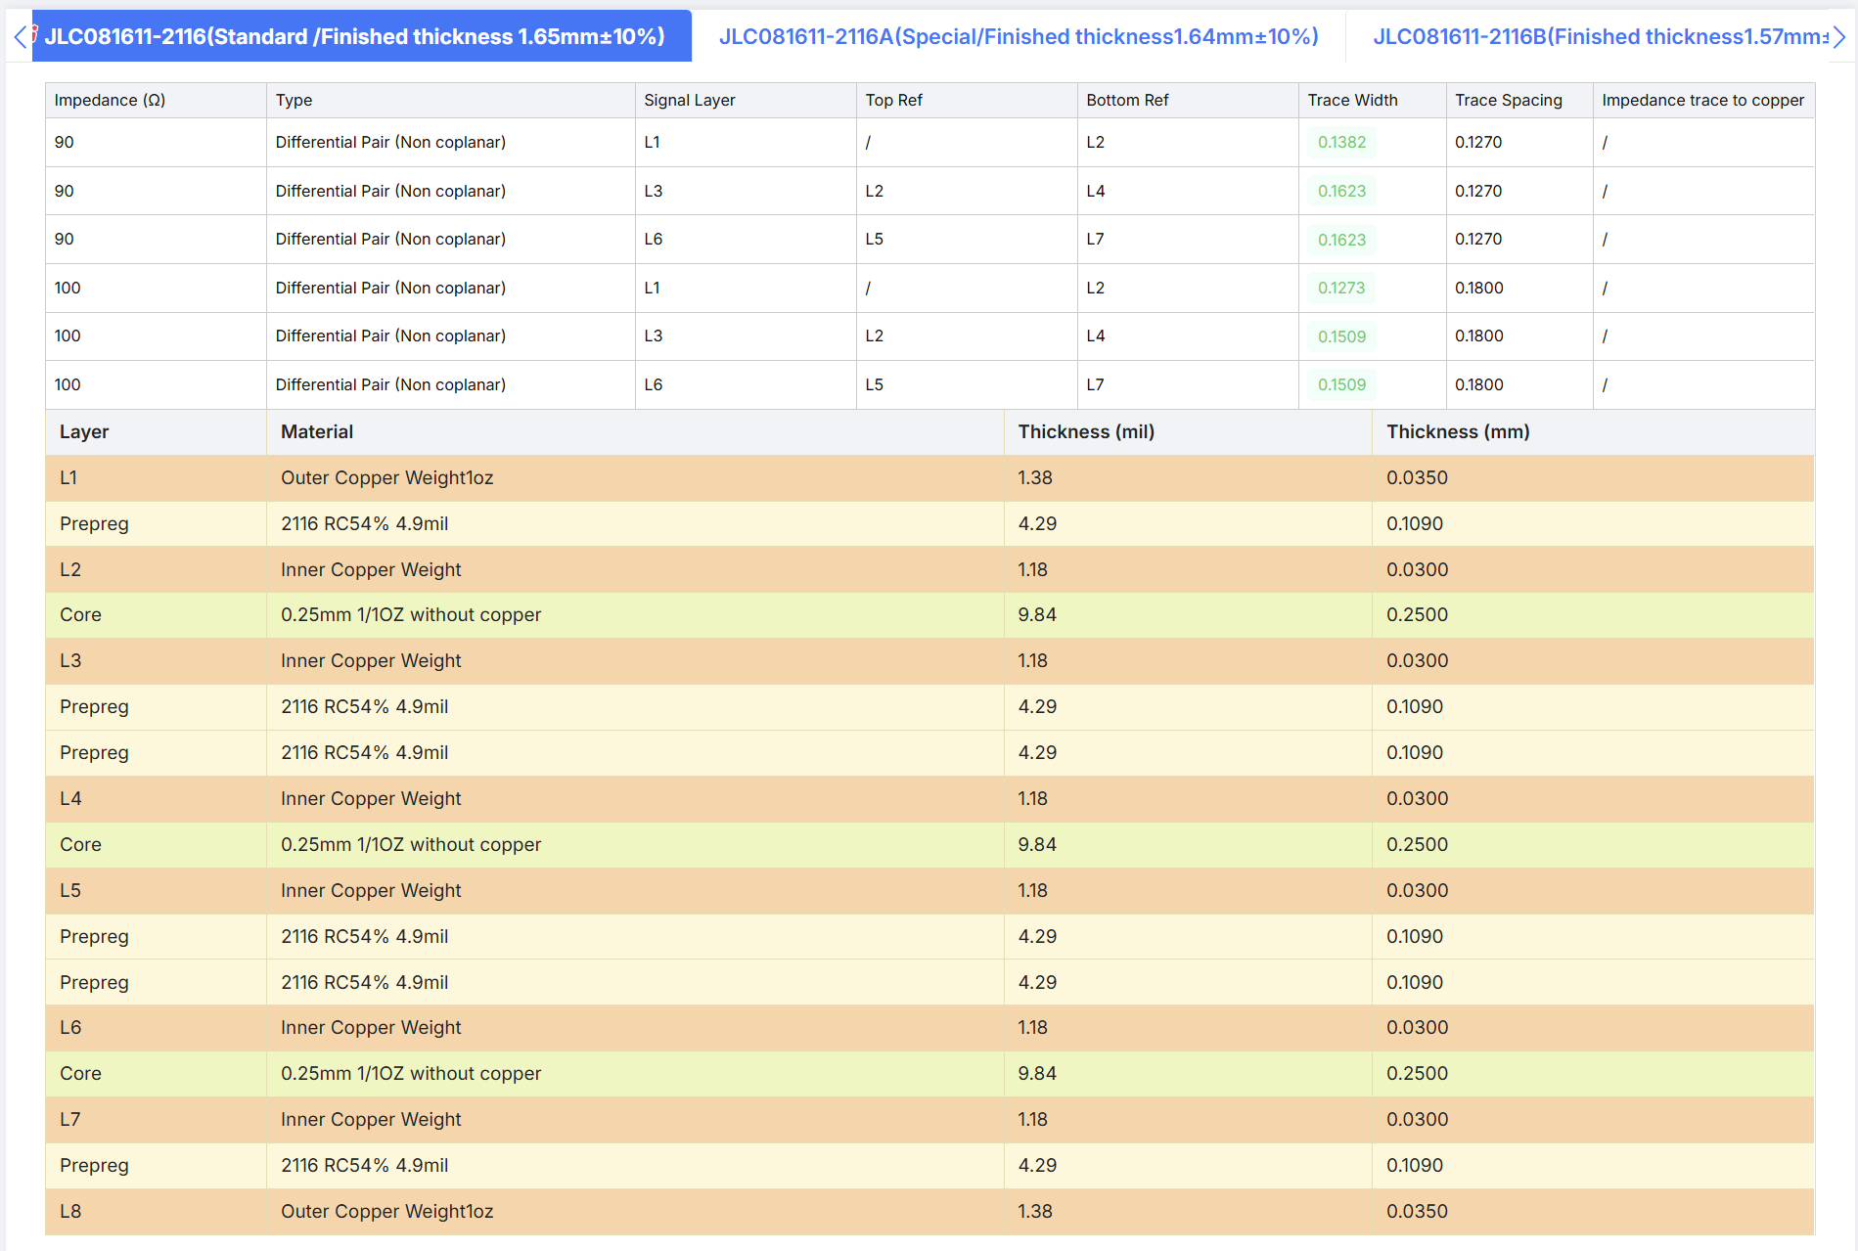

 |  | Implemented as-is

 |  | Track width 0.17mm; trace spacing 0.16mm

 |  | Track width 0.17mm; trace spacing 0.16mm

 |  | Implemented as-is

 |  | Track width 0.127mm; trace spacing 0.26mm

 |  | Track width 0.127mm; trace spacing 0.26mm

 |  | SIGNAL LAYER (Outer DiffPair)

 |  | GND

 |  | SIGNAL LAYER (Inner DiffPair)

 |  | GND

 |  | POWER PLANE LAYER

 |  | SIGNAL LAYER (Inner DiffPair)

 |  | GND

 |  | SIGNAL LAYER (Outer DiffPair)

90R microstrip differential pair | 90R stripline differential pair
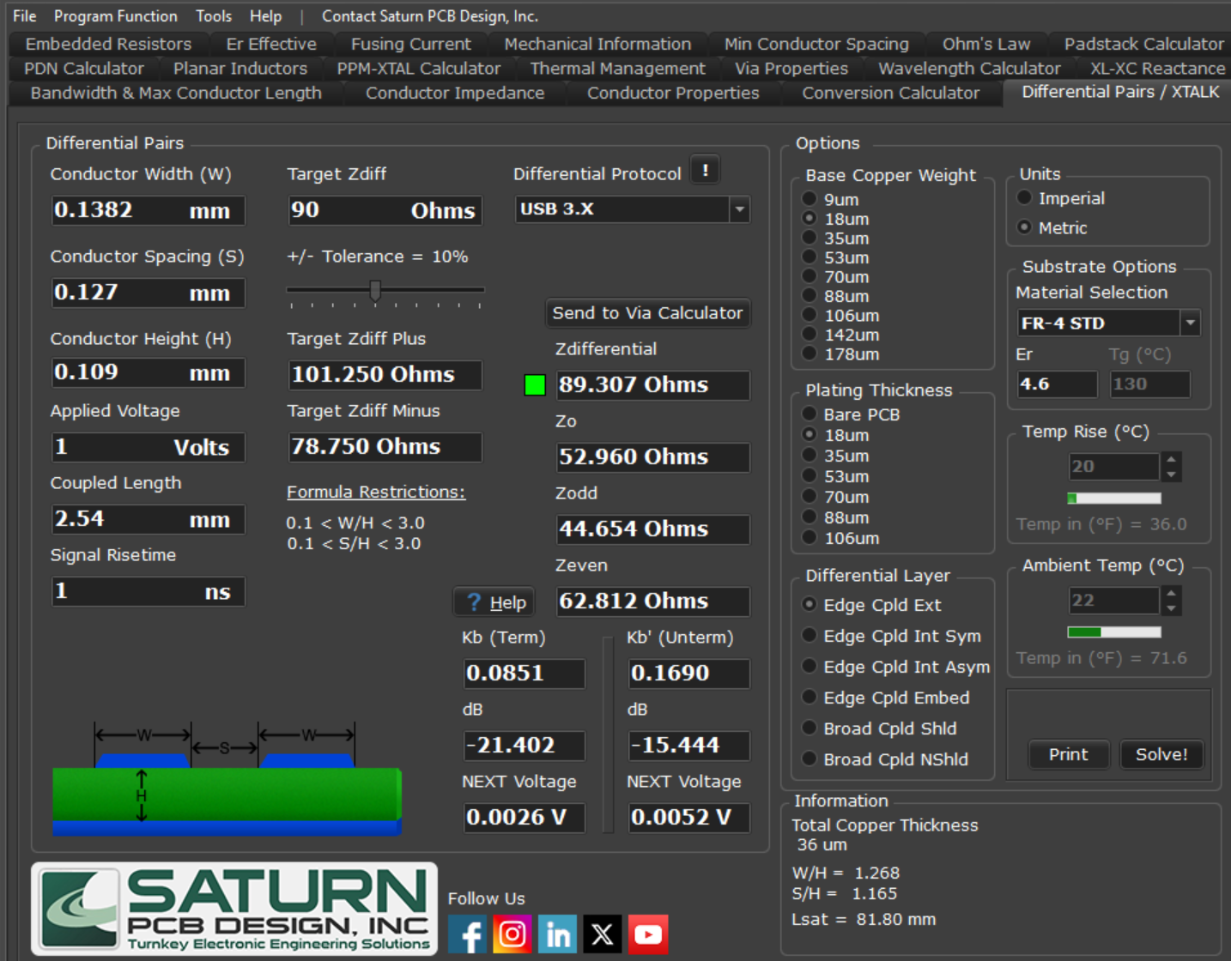
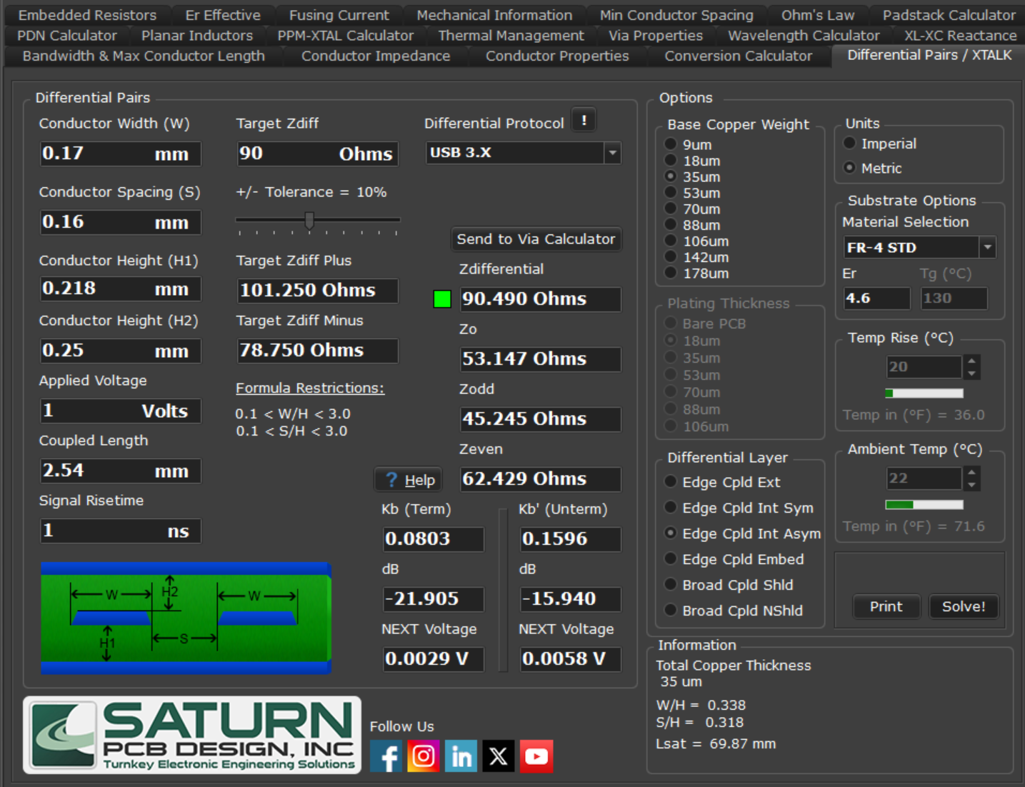

100R microstrip differential pair | 100R stripline differential pair

